Analyzed data
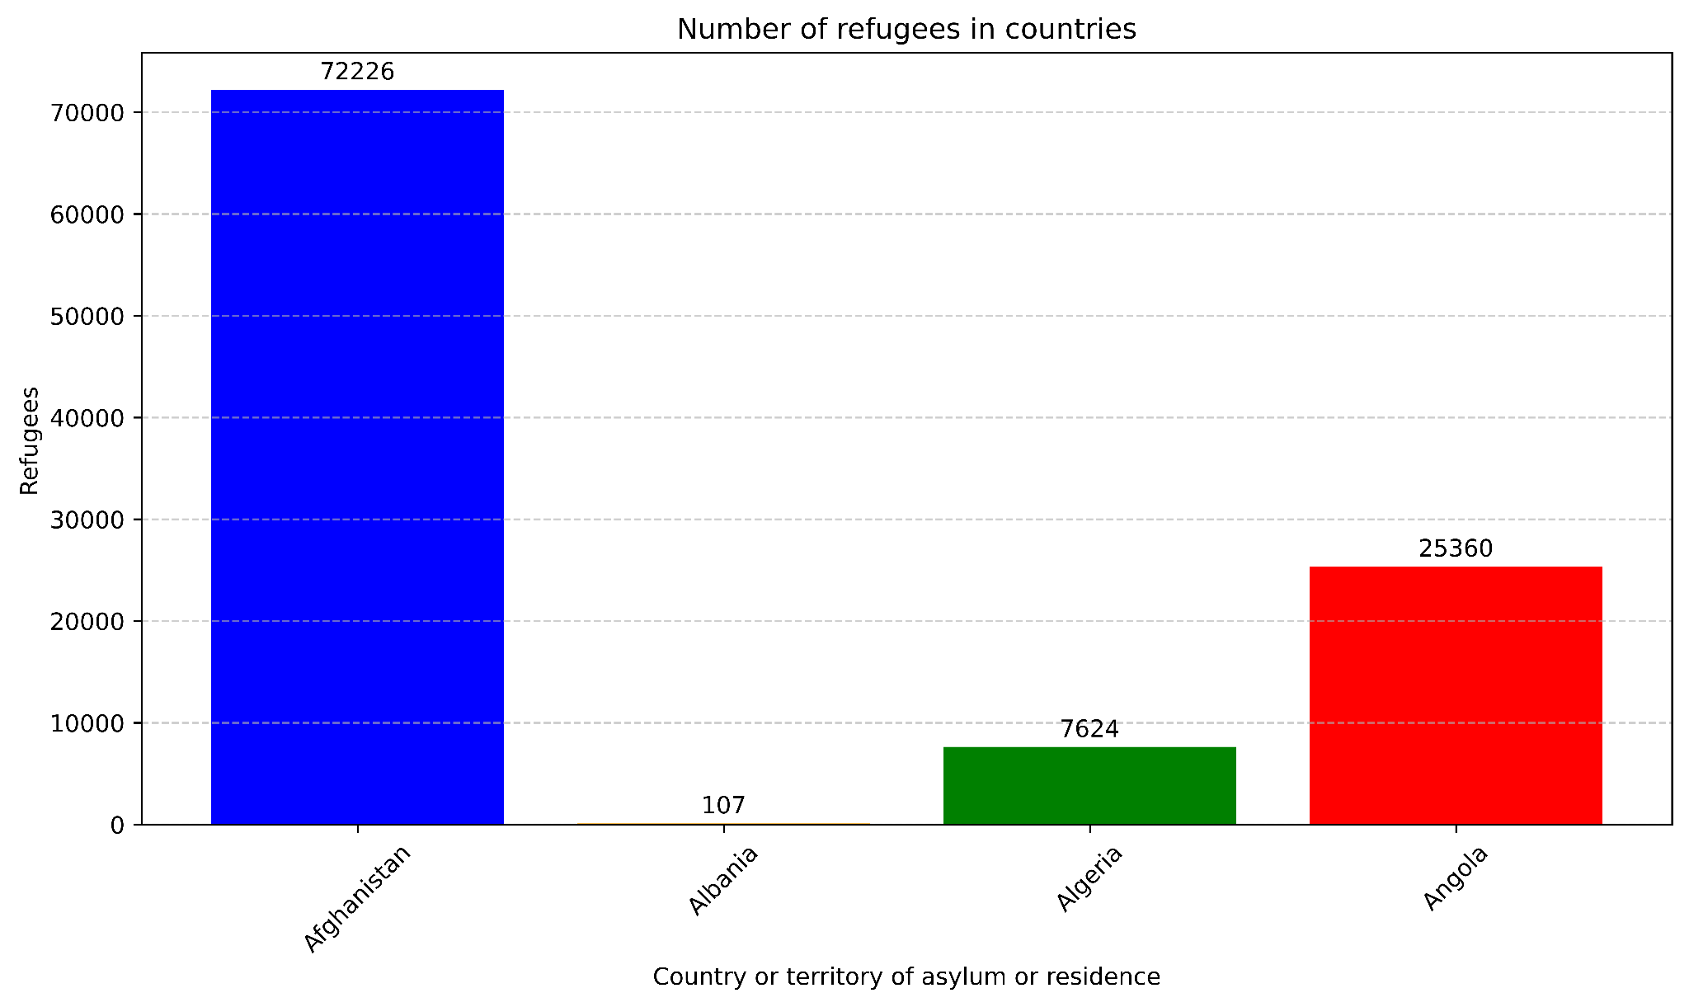
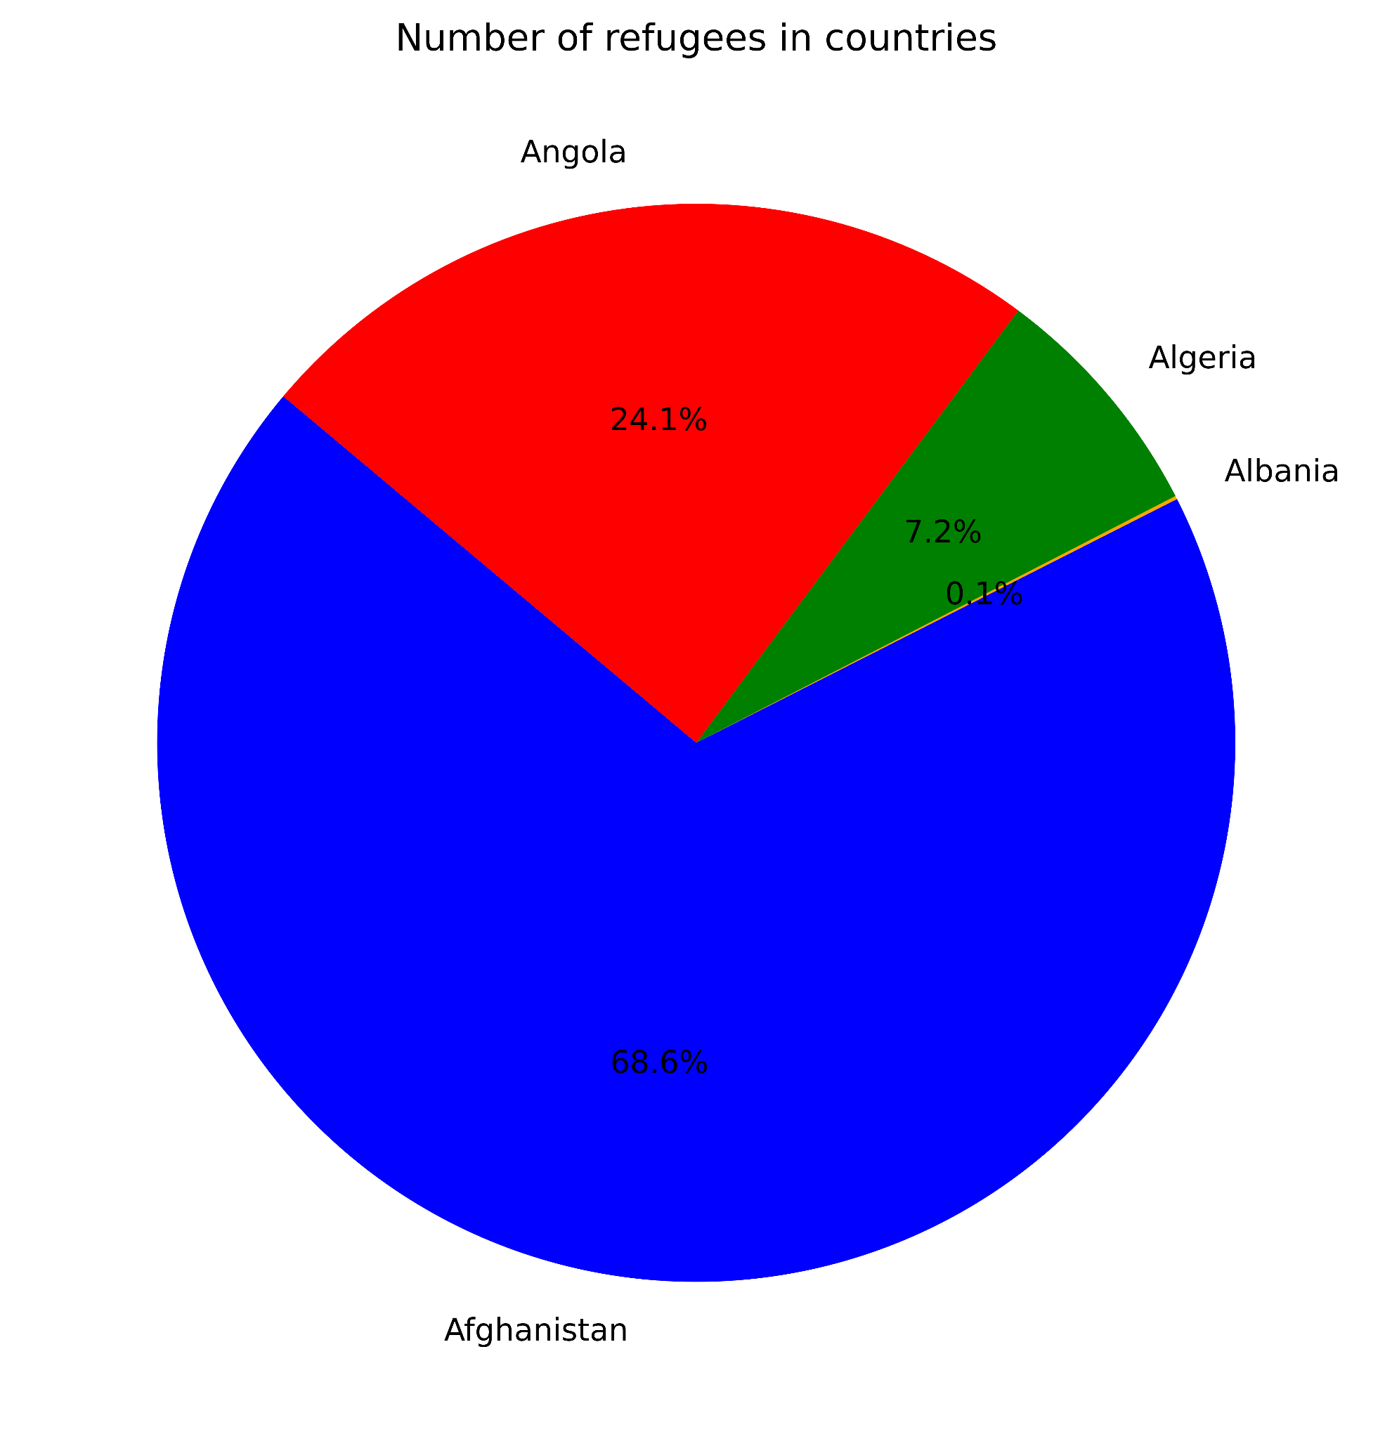
Number of Refugees in Countries
Number of Refugees in Countries
Country or territory of asylum or residence** | Refugees** | BAR CHART |  | PIE CHART
Afghanistan | 72226
Albania | 107
Algeria | 7624
Angola | 25,360

 |  |  | VISUALIZED DATA FROM JULIUS AI

